87 - Weigh Mean
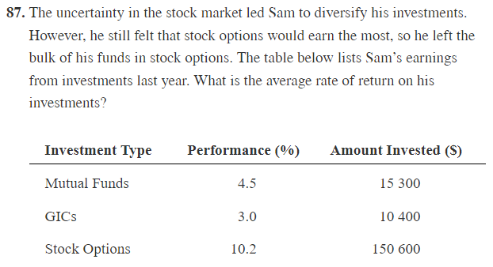

 | Amount | Performance | Earned | Return
 | $15,300.00 | 4.50% | $15,988.50
 | $10,400.00 | 3.00% | $10,712.00
 | $150,600.00 | 10.20% | $165,961.20
Total | $176,300.00 |  | $192,661.70 | 9.28%

59 - Coef Var
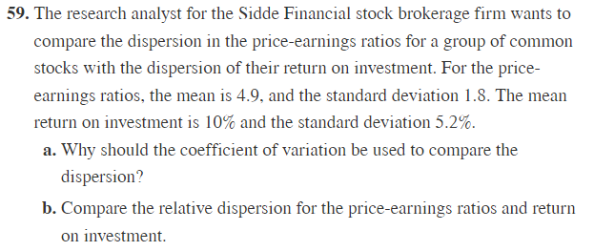

 | Mean | SD | Coef of Var
PE | 4.90% | 1.80% | 36.73%
Return | 10.00% | 5.20% | 52.00%
a) Note that we are comparing the means of PE with the standard deviation of returns, which are different units of measurments. Therefore: we need to use the coeficient of variation
b) We can see that the Returns vary more than the price-earnings ratio

63
Calculate:
- Mean
- Median
- Standard Deviation
- Coef of Variation
Values |  | In thousands
3.9 | Mean | $21.93
17.4 | Median | 15.8
5.7 | SD | $20.47
17.6 | Coef SD | 93.34%
7.3
22.3
10.6
38.6
13
43.2
13.6
87.7
15.1
15.8
17.1

91 - SD,CofVar
Mean | 193.28571429
N | 7

Thousands | Mean Diff | Diff Squared | Points | Mean | Median | Mean + SD | Mean - SD
83 | -110.286 | 12162.939 | 83 | 193.28571429 | 83 | 376.759 | 9.812
510 | 316.714 | 100307.939 | 510 | 193.28571429 | 83 | 376.759 | 9.812
33 | -160.286 | 25691.510 | 33 | 193.28571429 | 83 | 376.759 | 9.812
256 | 62.714 | 3933.082 | 256 | 193.28571429 | 83 | 376.759 | 9.812
401 | 207.714 | 43145.224 | 401 | 193.28571429 | 83 | 376.759 | 9.812
47 | -146.286 | 21399.510 | 47 | 193.28571429 | 83 | 376.759 | 9.812
23 | -170.286 | 28997.224 | 23 | 193.28571429 | 83 | 376.759 | 9.812
 | Total | 235637.429
 | Variance | 33662.490
Hard way | Stand Dev | 183.473
Easy way |  | 183.473
Coef Var |  | 94.92%

a) Population
b) 183.47
c) 94.26%, this is huge, the data varies a lot compared to the mean

Plot
Plot
 |  | Mean | Median | "+SD" | "-SD"
 | 83 | 193.28571429 | 83 | 376.759 | 9.812
 | 510 | 193.28571429 | 83 | 376.759 | 9.812
 | 33 | 193.28571429 | 83 | 376.759 | 9.812
 | 256 | 193.28571429 | 83 | 376.759 | 9.812
 | 401 | 193.28571429 | 83 | 376.759 | 9.812
 | 47 | 193.28571429 | 83 | 376.759 | 9.812
 | 23 | 193.28571429 | 83 | 376.759 | 9.812

